Financial Dashboard.xlsx - Targ
Main expenditure item Target vs achieved

Expenditure | Target | YTD | Achieved
Advertising | 300000 | 210000 | 70%
Payroll | 270000 | 165000 | 61%

Target vs Achieved

Financial Dashboard.xlsx - Cost
Expense Breakup

Other Expense Break up
Other Expense Breakup
Utilities | 68865
Depreciation | 55000
Other | 45000
Income Tax | 11250
Costs | Value
Cost of Goods Sold | 1,188,535
Advertising | 390,371
Payroll | 323,870
Interest | 80,847
Other | 180,115

Other Expense Breakup

Utilities | 68,865
Depreciation | 55,000
Other | 45,000
Income Tax | 11,250

Financial Dashboard.xlsx - Reve
Historical Revenue

Historical Revenue
 | Year | Revenue
 | 2016 | 1653634
 | 2017 | 1986832
 | 2018 | 1997535
 | 2019 | 2187475
 | 2020 | 2439535
Projected | 2021 | 2584736

Financial Dashboard.xlsx - P &
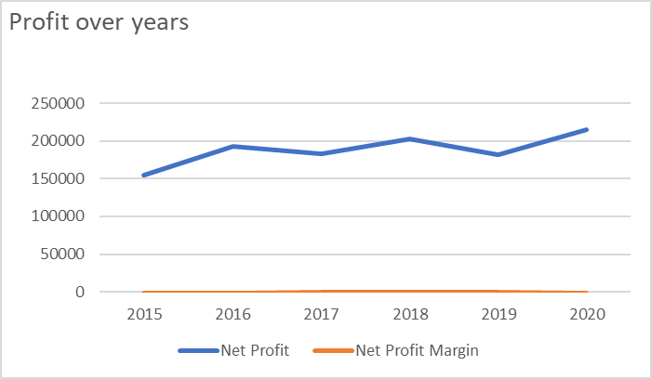
P & L statement 2020

Sales Revenue | 2,439,535
Less: Cost of Goods Sold | 1,188,535
Gross Margin | 951,001
Expenses:
Advertising | 390,371
Depreciation | 55,000
Interest | 80,847
Other | 45,000
Payroll | 323,870
Utilities | 68,865
Net Income before Taxes | 287,047
Income Tax | 71,762
Net Income | 215,285

Financial Dashboard.xlsx - Net
Profit and Profit Margin |  |  | U
Profit over years
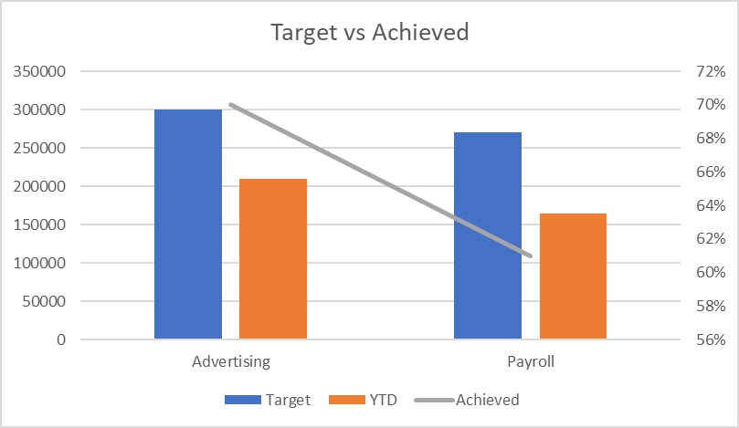
Years | Net Profit | Net Profit Margin
2015 | 155076 | 8%
2016 | 193189 | 9%
2017 | 182970 | 11%
2018 | 202515 | 12%
2019 | 182099 | 11%
2020 | 215285 | 9%

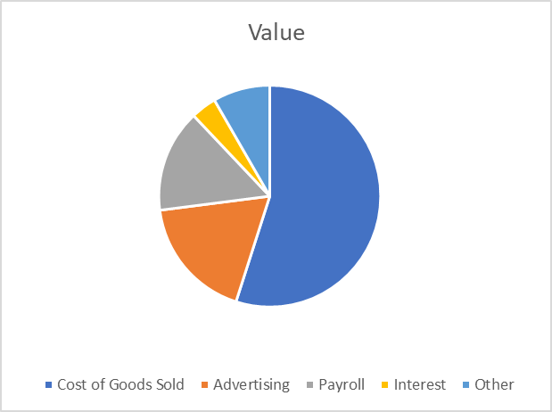
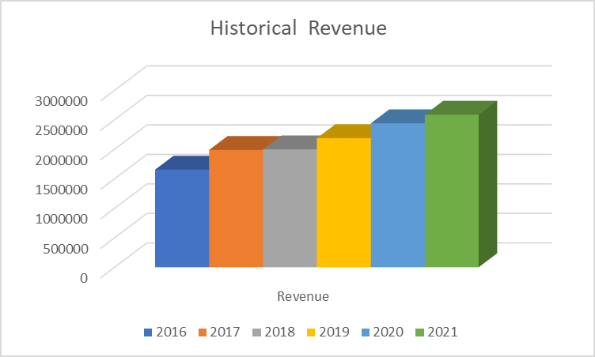

Other Expense Break up
Other Expense Breakup
Utilities | 68865
Depreciation | 55000
Other | 45000
Income Tax | 11250

